Sheet1
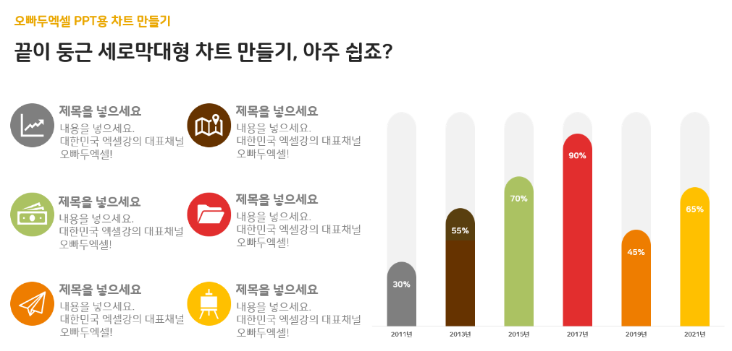
그림판만 있으면 가능한 시각화 차트 만들기

년도 | 비율 | 나머지
2011년 | 30% | 70%
2013년 | 55% | 45%
2015년 | 70% | 30%
2017년 | 90% | 10%
2019년 | 45% | 55%
2021년 | 65% | 35%

